ART
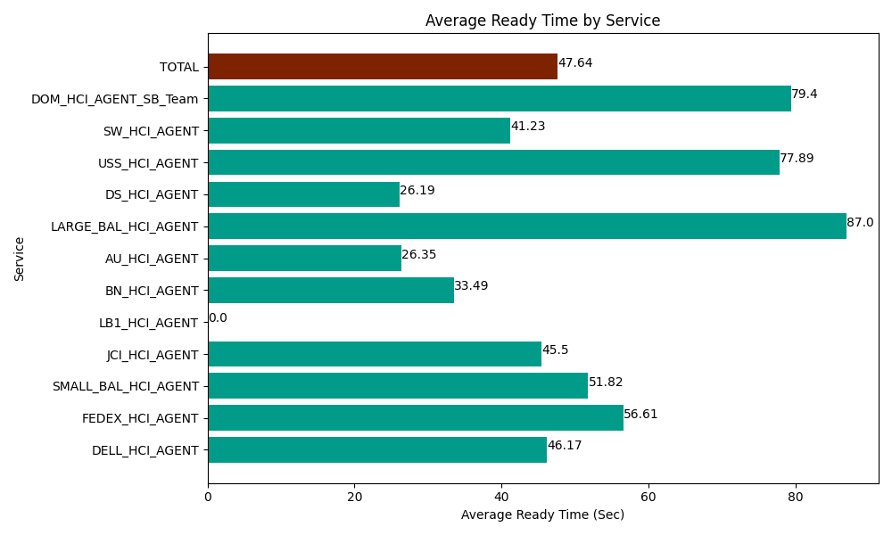
Date | Service | Successful Op Transfer | In Call (Sec) | Ready (Sec) | Wrapup (Sec) | Not Ready (Sec) | Average Ready Time (Sec)
06-25-2024 | DELL_HCI_AGENT | 198 | 22658.999634 | 9142.199707 | 60793.198242 | 29331.000366 | 46.17
06-25-2024 | FEDEX_HCI_AGENT | 114 | 9712.199707 | 6453.0001831 | 7533.0001831 | 13858.799744 | 56.61
06-25-2024 | SMALL_BAL_HCI_AGENT | 86 | 5857.7998352 | 4456.1997986 | 11674.80011 | 8736.0003662 | 51.82
06-25-2024 | JCI_HCI_AGENT | 178 | 13840.19989 | 8098.2000732 | 19036.799927 | 4315.1998901 | 45.5
06-25-2024 | LB1_HCI_AGENT | 0 | 0 | 315 | 0 | 180 | 0
06-25-2024 | BN_HCI_AGENT | 834 | 44142.000732 | 27934.799194 | 59217.000732 | 63868.198242 | 33.49
06-25-2024 | AU_HCI_AGENT | 364 | 27247.199707 | 9591.0003662 | 36769.801025 | 34900.799561 | 26.35
06-25-2024 | LARGE_BAL_HCI_AGENT | 1 | 4.7999998927 | 87.000002861 | 67.799999714 | 40.800000429 | 87
06-25-2024 | DS_HCI_AGENT | 794 | 51436.201172 | 20794.799194 | 97828.798828 | 73726.201172 | 26.19
06-25-2024 | USS_HCI_AGENT | 155 | 22193.999634 | 12073.200073 | 18514.200439 | 19435.799561 | 77.89
06-25-2024 | SW_HCI_AGENT | 197 | 9038.9996338 | 8122.800293 | 14338.200073 | 11932.199707 | 41.23
06-25-2024 | DOM_HCI_AGENT_SB_Team | 78 | 6646.7999268 | 6193.2000732 | 11591.999817 | 10113.000183 | 79.4
 | TOTAL | 2999 | 212779.19987 | 113261.39896 | 337365.59938 | 270437.99879 | 47.64

